5prevailingSentWithCaseNumbers
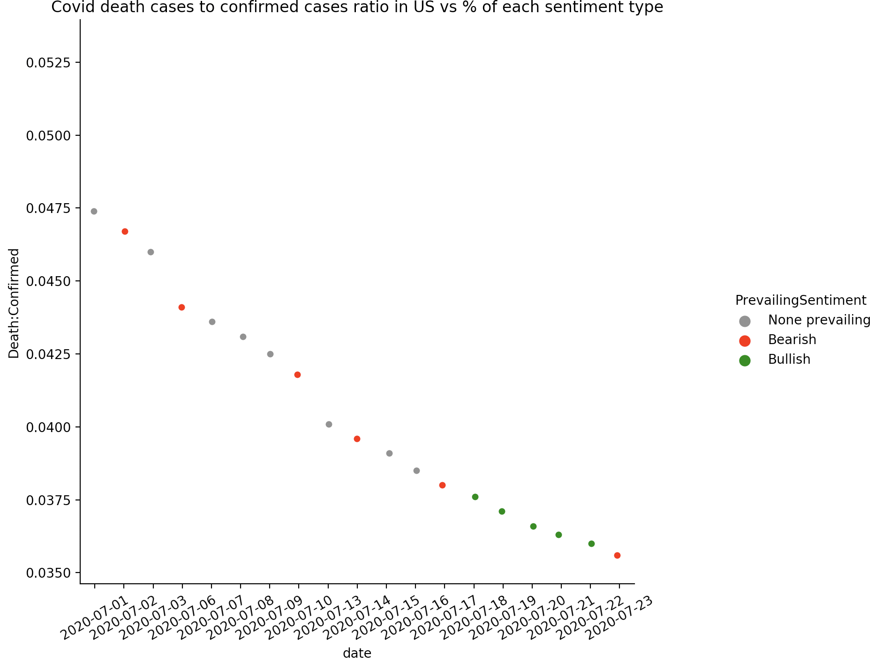
Covid death cases to confirmed cases ratio in US vs % of each sentiment type

Hypothesis for combining the data
 | Combining the external data which is the US daily Covid cases with the data from current Source table, we can explore if the death cases to confirmed cases ratio has any impact on the overall sentiment which combines the sentiment from comments and newsheadlines.

date | death to confirmed ratio | PrevailingSentiment
2020-07-01 | 0.0474 | None prevailing
2020-07-02 | 0.0467 | Bearish
2020-07-03 | 0.046 | None prevailing
2020-07-06 | 0.0441 | Bearish
2020-07-07 | 0.0436 | None prevailing
2020-07-08 | 0.0431 | None prevailing
2020-07-09 | 0.0425 | None prevailing
2020-07-10 | 0.0418 | Bearish
2020-07-13 | 0.0401 | None prevailing
2020-07-14 | 0.0396 | Bearish
2020-07-15 | 0.0391 | None prevailing
2020-07-16 | 0.0385 | None prevailing
2020-07-17 | 0.038 | Bearish
2020-07-18 | 0.0376 | Bullish
2020-07-19 | 0.0371 | Bullish
2020-07-20 | 0.0366 | Bullish
2020-07-21 | 0.0363 | Bullish
2020-07-22 | 0.036 | Bullish
2020-07-23 | 0.0356 | Bearish

Chart's significance and forward guidance

